Form #1
Please fill in the white cells only. Please do not fill in the cells which have been greyed out.
Your age will be calculated automatically.
Please note that some cells have pull down selections.
大学院外国人研究生入学願書 Graduate School Application for International Research Students

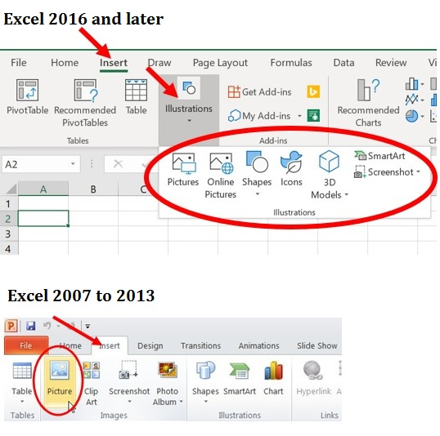
How to insert your photo.
1. Name and photo | Family name in English (CAPITAL) exactly as written in passport |  |  |  |  | Photo | Please insert image file of your photo taken within 3 months here. To insert photo; 1.single click this cell 2.choose "picture" from the insert tab 3.select the photo
 | First name in English exactly as written in passport
 | Middle name in English exactly as written in passport
 | Full name in Chinese character (if any)
2. Basic Information | Gender
 | Date of Birth (yyyy/mm/dd) |  |  |  | Age |  |  | 5/1/2023
 | Nationality | Pull down from the list below. If you are a dual citizen, be sure to list from the second pull down menu.

Caution:
To start a new paragraph press Alt+Enter key
 | Current Status (pull down from menu)
 | Email 1
 | Email 2 (if any)
3. Contact Information | Phone No. (Landline) include country code |  |  |  | Phone No. (Mobile) include country code
 | Address
 | Country
 | Postal Code
4. Emergency Contact Information | Phone No. (Landline) include country code |  |  |  | Phone No. (Mobile) include country code
 | Address
 | Country
 | Relationship to Applicant
I hereby apply for admission to the Graduate School of Science of the University of Tokyo, for the purpose stated below. 1.I understand that the offer of admission may be withdrawn at any time, even after enrollment, if any of the submitted set of documents contains falsified record or documents, or plagiarized statements. (Please tick the check box.) 2.I am aware that international applicants who fall under any of the conditions set out in said regulations may not receive permission to enroll at the university or may have their research activities restricted.
5. Period of Research (Choose one from the pull-down )
6. Department (Choose one from the pull-down)
7. Research theme you would like to pursue at the School of Science (around 20 words)

8. Prospective Supervisor
9. English Language Proficiency | Please choose your appropriate levels for your English language proficiency.
 | Reading | Listening |  | Speaking |  | Writing

 | TOEFL Score * If any * If you have a score, please attach include a copy of "Test Taker Score Report" in your application. |  |  | R | L | S | W | Total | Test date
 |  |  | TOEFL |  |  |  |  |  | yyyy-mm-dd
 | Test must have been taken within two years of the time of application.
Entering dates;
(yyyy/mm/dd)
11. Educational Background | List, in chronological order, all schools attended starting from primary school. Please attach separate sheets if space is insufficient.
 | Name of Elementary School
 | Location of School
 | Duration of enrollment (yyyy/mm/dd) | From |  |  | To |  |  | 0years 0months
Caution:
To start a new paragraph press Alt+Enter key
 | Name of Middle School
 | Location of School
 | Duration of enrollment (yyyy/mm/dd) | From |  |  | To |  |  | 0years 0months
 | Name of High School
 | Location of School
 | Duration of enrollment (yyyy/mm/dd) | From |  |  | To |  |  | 0years 0months
 | Name of Institution Higher Education 1 |  |  |  | Location (Country name)
 | Name of Faculty/ Graduate School |  |  |  | Name of Department
 | Name of Degree awarded
 | Duration of enrollment (yyyy/mm/dd) | From |  |  | To |  |  | 0years 0months
 | Name of Institution Higher Education 2 |  |  |  | Location (Country name)
 | Name of Faculty/ Graduate School |  |  |  | Name of Department
 | Name of Degree awarded
 | Duration of enrollment (yyyy/mm/dd) | From |  |  | To |  |  | 0years 0months
 | Name of Institution Higher Education 3 |  |  |  | Location (Country name)
 | Name of Faculty/ Graduate School |  |  |  | Name of Department
 | Name of Degree awarded
 | Duration of enrollment (yyyy/mm/dd) | From |  |  | To |  |  | 0years 0months
 | Total year of education |  |  |  |  |  | 0years 0months
12. Professional Background | List, in reverse chronological order, all full-time positions. Do not include part-time positions. Please attach separate sheets if space is insufficient.
Entering dates;
(yyyy/mm/dd)
 | Company Name, Job Title
 | Location of the company
 | Duration of employment | From |  |  | To |  |  | 0years 0months
 | Company Name, Job Title
Caution:
To start a new paragraph press Alt+Enter key
 | Location of the company
 | Duration of employment | From |  |  | To |  |  | 0years 0months
 | Company Name, Job Title
 | Location of the company
 | Duration of employment | From |  |  | To |  |  | 0years 0months

