application
Please fill in the white cells only. Please do not fill in the cells which have been greyed out.
Your age will be calculated automatically.
Please note that some cells have pull down selections.
特別聴講学生入学許可願書 Graduate School Application for Admission for Special Auditor
 |  |  |  |  |  | Date: yyyy/mm/dd
As stated below, I hereby apply for admission as a Special Auditor at the Graduate School of Science, the University of Tokyo.
Period of Enrollment
1. Name and photo | Family name in English (CAPITAL) exactly as written in passport |  |  |  | Photo | Please insert image file of your photo taken within 3 months here. To insert photo; 1.single click this cell 2.choose "picture" from the insert tab 3.select the photo
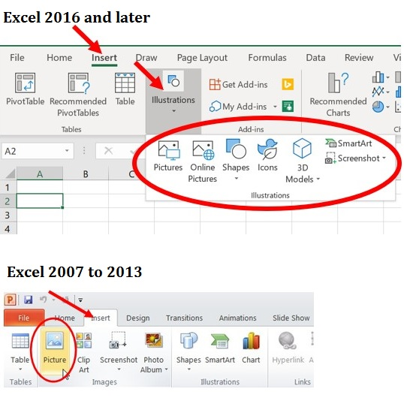
How to insert your photo.
 | First name in English exactly as written in passport
 | Middle name in English exactly as written in passport
 | Full name in Chinese character (if any)
2. Basic Information | Gender
 | Date of Birth (yyyy/mm/dd) |  |  | Age |  |  | 4/1/2025
 | Nationality | Pull down from the list below. If you are a dual citizen, be sure to list from the second pull down menu.

Caution:
To start a new paragraph press Alt+Enter key
 | Current Status (pull down from menu)
 | Email 1
 | Email 2 (if any)
3. Contact Information | Phone No. (Landline) include country code |  |  | Phone No. (Mobile) include country code
 | Address
 | Country
 | Postal Code
4. Emergency Contact Information | Phone No. (Landline) include country code |  |  | Phone No. (Mobile) include country code
 | Address
 | Country
 | Relationship to Applicant
Entering dates;
(yyyy/mm/dd)
5. Educational Background | List, in chronological order, all schools attended starting from primary school. Please attach separate sheets if space is insufficient.
 | Name of Elementary School
 | Location of School
 | Duration of enrollment (yyyy/mm/dd) | From |  | To |  |  | 0years 0months
 | Name of Middle School
 | Location of School
 | Duration of enrollment (yyyy/mm/dd) | From |  | To |  |  | 0years 0months
 | Name of High School
 | Location of School
 | Duration of enrollment (yyyy/mm/dd) | From |  | To |  |  | 0years 0months
 | Name of Institution Higher Education 1 |  |  | Location (Country name)
 | Name of Faculty/ Graduate School |  |  | Name of Department
 | Name of Degree awarded
 | Duration of enrollment (yyyy/mm/dd) | From |  | To |  |  | 0years 0months
 | Name of Institution Higher Education 2 |  |  | Location (Country name)
 | Name of Faculty/ Graduate School |  |  | Name of Department
 | Name of Degree awarded
 | Duration of enrollment (yyyy/mm/dd) | From |  | To |  |  | 0years 0months
 | Total year of education |  |  |  |  | 0years 0months
Specify the course(s) you wish to take in the list below. Copy and paste course information (course code, title credit etc.) |  |  |  |  |  |  |  | from HERE.
* You can find the course list from Page 13 onward. * You must consult with teaching staff (professor(s)) for each of the courses you wish to take and obtain their approvals. * You will receive proof of accredited courses taken only at the School of Science during your period as a Special Auditor. * Students with a status of Special Auditor must register for minimum of 10 hours of classes per week during a semester. * If the rows are not enough, you can insert copied row (s) in the list.
7. Course list | Department that offers a course | Course Code | Course Title |  | Credit | Semester | Name of Teaching Staff

Documents to be attached:
１）Student registration certificate (If it is written in neither English nor Japanese, English or Japanese translation
of the document must be officially issued by the University from which the original has been issued.）
２）Transcript of academic records (If it is written in neither English nor Japanese, English or Japanese translation
of the document must be officially issued by the University from which the original has been issued.)
３）Proof of your prior consultation with the prospective professors who are in charge of courses you wish to take such as e-mail correspondence

